Alopecia mapping
Alopecia mapping
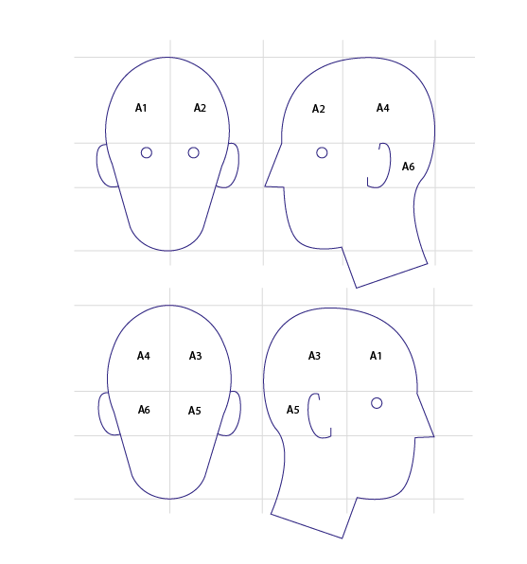

BACK

TMT
TRAIL Making Test [9] |  | 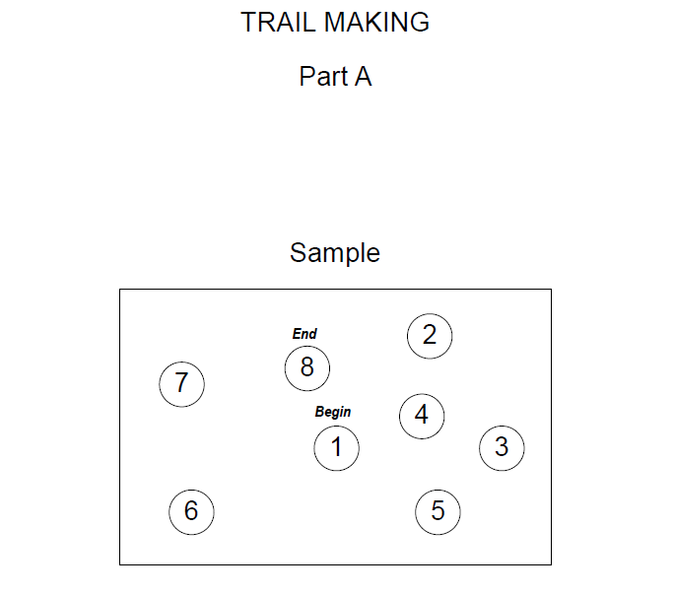

PART A
CODE | Description
 | Did the patient do Sample A before attempting part A (NO=0; YES=1)
 | Total amount of time the patient was tested (seconds)*
 | Did the patient reach the "END" of the test? (NO, tested for <3 min= 0; NO, tested for >3 minutes=1; YES=2)
 | If No, specify the last number reached on the test
PART B
CODE | Description
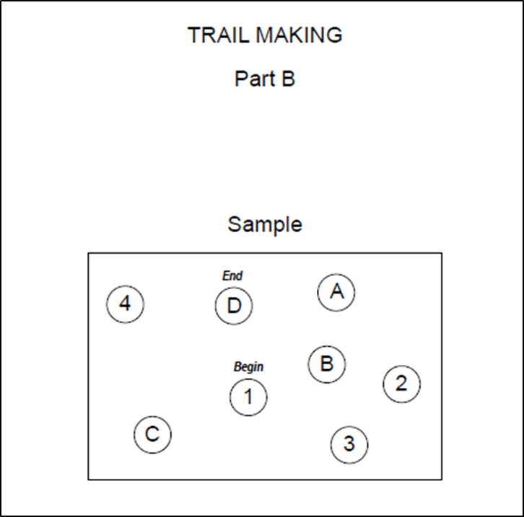
 | Did the patient do Sample B before attempting part B (NO=0; YES=1)
 | Total amount of time the patient was tested (seconds)*
 | Did the patient reach the "END" of the test? (NO, tested for <3 min= 0; NO, tested for >3 minutes=1; YES=2)
 | If No, specify the last number reached on the test

BACK

